Instructions
INSTRUCTIONS- READ FIRST- then fill out 'Project GANTT' sheet

Year 1 month 1 is the first month that you start your project.
If your project does not span 36 months, delete extra month columns once your GANTT is completed.
Number | Work packages (WP), Activity, Deliverable (D) and Milestone (M) Titles | Activity Lead | Involved Participants (Acronym from application question 1I) | Start Date | End Date | Year 1 |  |  |  |  |  |  |  |  |  |  |  | Year 2 |  |  |  |  |  |  |  |  |  |  |  | Year 3
 |  |  |  |  |  | 1 | 2 | 3 | 4 | 5 | 6 | 7 | 8 | 9 | 10 | 11 | 12 | 13 | 14 | 15 | 16 | 17 | 18 | 19 | 20 | 21 | 22 | 23 | 24 | 25 | 26 | 27 | 28 | 29 | 30 | 31 | 32 | 33 | 34 | 35 | 36
 | WP 1 Project management and coordination |  |  | DD.MM.YY | DD.MM.YY
State the title of each WP. WP1 should be project management.
1.1 | Project management | A1 | all | 2027-02-01 | 2029-01-31
1.2 | Dissemination and communication | A1 | all | 2027-12-01 | 2029-01-31
Use abbreviations from IBIS OIS application questions.
M1.1 | Project meetings | A1 | all | 2027-02-01 | 2029-01-31 | x |  | x |  | x |  | x |  | x |  | x |  | x |  | x |  | x |  | x |  | x |  | x |  | x |  | x |  | x |  | x |  | x |  | x
Milestones mark important events. Schedule enough project meetings to ensure involvement of all applicants and company partners.
M1.2 | Final conference | A1 | all |  | 2028-10-31 |  |  |  |  |  |  |  |  |  |  |  |  |  |  |  |  |  |  |  |  |  |  |  |  |  |  |  |  |  |  |  |  | x
D1.1 | Report | A1 | all | 2027-07-01 | 2027-01-31 |  |  |  |  |  | x |  |  |  |  |  | x |  |  |  |  |  | x |  |  |  |  |  | x |  |  |  |  |  | x |  |  |  |  |  | x
Milestones (M) and Deliverables (D) must be derived from a specific activity in the work package.
 | WP 2 Lab experiment 1
2.1 | Selection of targets | A2 | A1, A2, C1-R1, C2-R1 | 2027-02-01 | 2027-05-30
2.2 | Test of method 1 | A2-R1 | A2, A2-R1 | 2027-05-01 | 2027-08-31
2.3 | Test of method 2 | A2-R2 | A2, A2-R2 | 2027-07-01 | 2027-10-31
Deliverables can be e.g., reports, datasets and publications.
D2.1 | Data published in database | A2 | A2, A2-R1, A2-R2 |  | 2027-10-31 |  |  |  |  |  |  |  |  | x
M2.1 | Select 5 targets for in vitro platform | A2 | A1, A2, C1-R1, C2-R1 |  | 2027-05-30 |  |  |  | x
M2.2 | Select method to be used | A2 | A1, A2, C1-R1, C2-R1 |  | 2027-10-31 |  |  |  |  |  |  |  |  | x
 | WP 3 Set-up of test platform
3.1 | Set-up of test platform | A1 | A1, A1-R1 | 2027-07-01 | 2028-11-30
3.2 | Test of 5 targets | A1-R1 | A1, A1-R1 | 2027-11-01 | 31.09.28
Visualize the timeline for individual activities like this.
M3.1 | Selection of 3 targets | A1 | A1, A2, C1-R1, C2-R1 |  | 31.09.28 |  |  |  |  |  |  |  |  |  |  |  |  |  |  |  |  |  |  |  | x
Milestones and Deliverables might only have end-dates.
D3.1 | Data submitted in open-access paper | A1 | A1, A2, A1-R1, A2-R1 |  | 01.01.29 |  |  |  |  |  |  |  |  |  |  |  |  |  |  |  |  |  |  |  |  |  |  |  | x
 | WP 4
You can add and delete Work Packages/activities as needed.
 | Activity 1
 | Activity 2
 | Activity 3
 | Deliverable/Milestone 1
 | Deliverable/Milestone 2
 | Deliverable/Milestone 3

Save and Upload to Application as PDF:

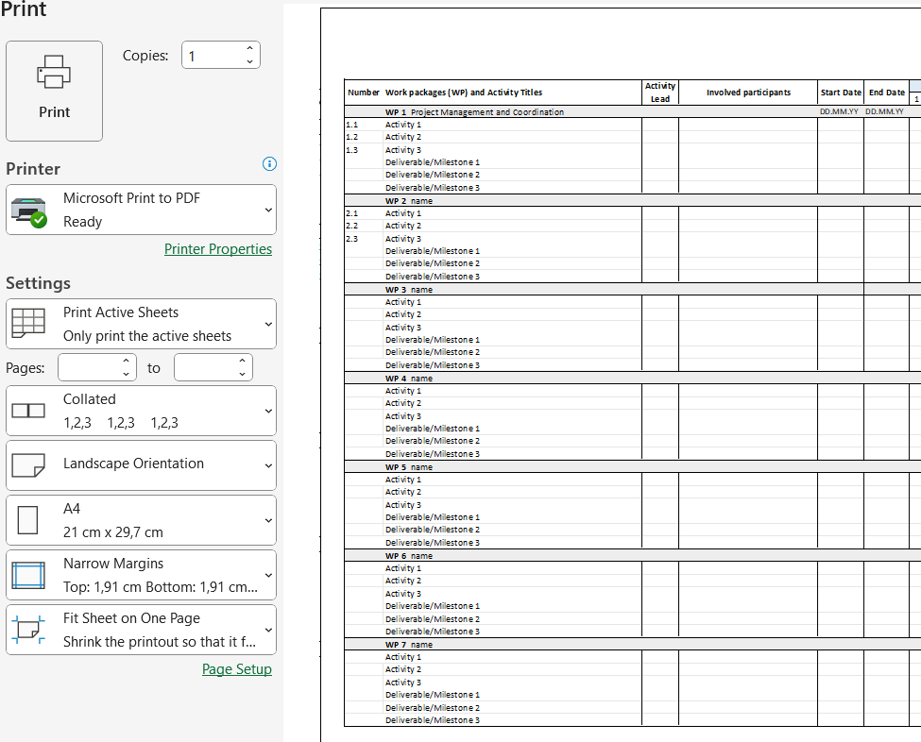
On the Project GANTT sheet: Select File - Print.
In PRINT settings:
Choose a PDF printer (e.g. Adobe, Microsoft)
Select 'Print Active Sheets'
Landscape Orientation, A4
Select 'Narrow Margins'
Fit Sheet on One Page (If you have many rows of text, it may be better to 'Fit All Columns on One Page' and print across 2 pages)

